Intro
MAH Project Version- 5.5.2026
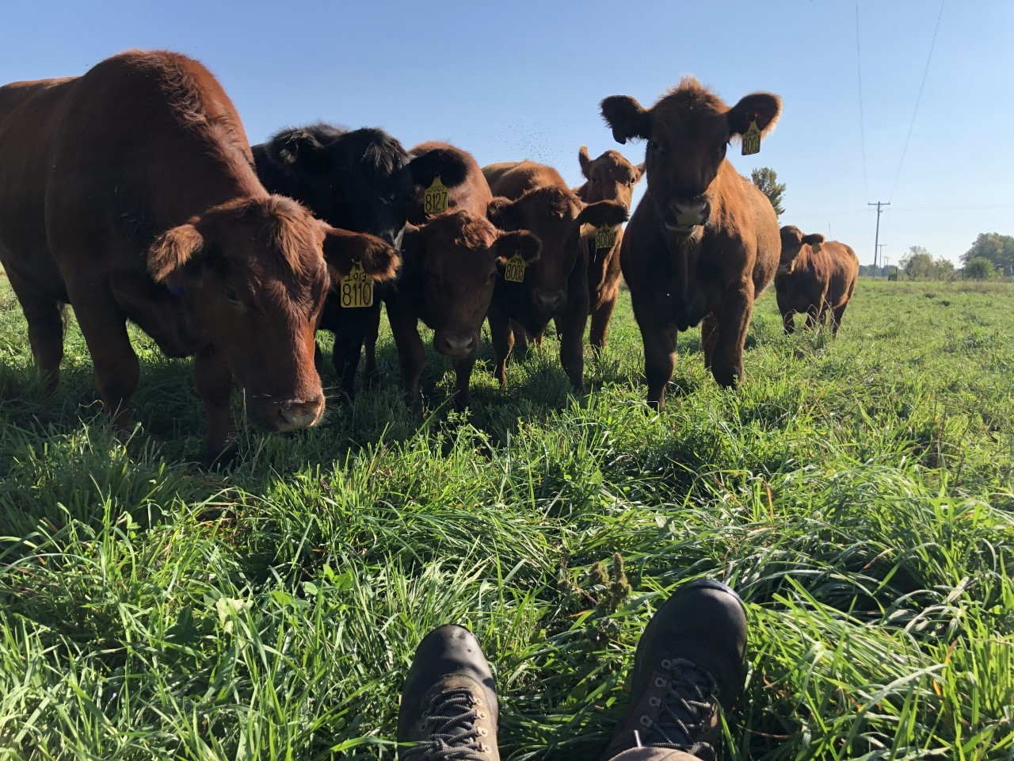

INTRODUCTION
This calculator estimates greenhouse gas (GHG) emissions in stocker cattle. This can be modified to fit cow-calf by altering the enteric methane tab and emission factors for manure. If you do so, intake should be calculated using tier II equations or altered to pretermined % BW.
INSTRUCTIONS FOR THE USER:
First, input data from your closeouts into the yellow USER INPUTS tab. Reference the gray GUIDELINES tab for definitions and units of inputs. Next, the green USER OUTPUTS tab has the estimated emissions per kg FBW and HCW.

