GUIDELINES
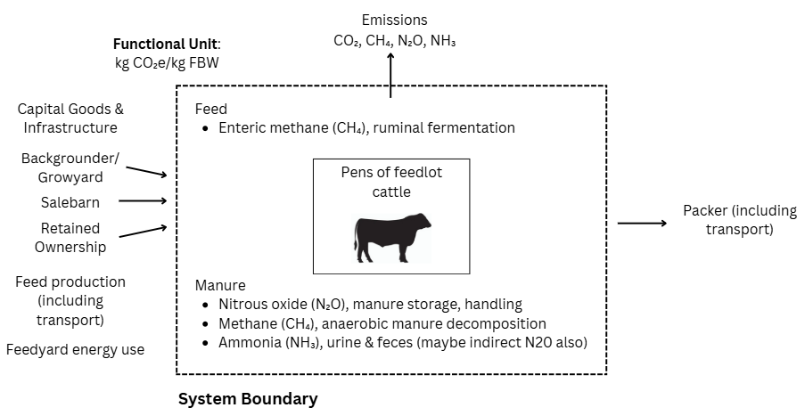
Inputs/Outputs
Input | Description
Cattle
Sex | Steer or heifer
Head in, n | The number of animals that arrived at the feedyard for that lot
Head shipped, n | The number of animals that were shipped to the packing plant at the end of the feeding period for that lot
Gross arrival weight, lbs | The total weight of the animals that arrived at the feedyard for that lot in pounds
Gross shrunk ship weight, lbs | The total weight of the animals that left the feedyard for that lot in pounds, multiplied by 0.96 (4% shrink)
Date in | short form, mm/dd/yyy
Health
Railers, n | The number of animals that were railed or realized
Railers, lb | The amount of lbs
Deads, n | The number of deads
Do you know dead dates? | yes/no
Carcass
Gross HCW, lbs | The total weight ot the carcasses for that lot in pounds
Performance
DOF | The total ADG of the lot
ADG | The total G:F of the lot
DMI | dry matter intake (% body weight)
Functional Unit: kg CO₂e per kg Final Body Weight (FBW) (to assess emissions relative to feedlot cattle weight at exit)
Included (Within Boundary):
Feedlot Cattle Emissions
Enteric methane (CH₄) from ruminal fermentation
Manure Management Emissions
Nitrous oxide (N₂O) from manure storage and handling.
Methane (CH₄) from anaerobic decomposition of manure.
Ammonia (NH₃) from urine and feces (potential indirect N₂O emissions)
Excluded (Outside Boundary):
Feed Production & Transport
Excluded, as feed is purchased, and emissions from crop cultivation, fertilizer application, and land use change are not considered
Feedyard Energy Use (CO₂ Emissions)
Fuel use: trucks, tractors, feed mixing & delivery, manure handling
Electricity & natural gas for lighting, water pumps, and automated feeding systems
Capital Goods & Infrastructure
Construction of barns, feed bunks, manure storage, or equipment
Cattle Backgrounding & Procurement
No emissions from backgrounding, sale barns, or retained ownership before the feedlot phase
Transportation of Finished Cattle
Excluded, as emissions are calculated per kg CO₂e per kg final body weight (FBW).
Processing & Beyond
Slaughter, processing, packaging, and retail distribution are not included.
Feed
Hormone implant | yes/no
Beta-agonist | yes/no
Rumensin/ionophore | yes/no
% of days rumensin/ionophore used | between 0 and 100
Supplement | urea/molasses blend or corn gluten feed?
Grain | steam flaked or high moisture grain?
Feedyard Operations
Feeding location | pick from drop down
Average annual temperature, °F
Manure system | assume dry lot w/ lagoon, same climate region
Ration
Dry feed delivered, lbs | The pounds of feed delivered to the animals during the entire feeding period, on a dry matter basis
Ration 1
Feedstuff 1 | Ingredient and % DM inclusion of the ration
Feedstuff 2 | Ingredient and % DM inclusion of the ration
Feedstuff 3 | Ingredient and % DM inclusion of the ration
Feedstuff 4 | Ingredient and % DM inclusion of the ration
Feedstuff 5 | Ingredient and % DM inclusion of the ration
Feedstuff 6 | Ingredient and % DM inclusion of the ration
Feedstuff 7 | Ingredient and % DM inclusion of the ration
Feedstuff 8 | Ingredient and % DM inclusion of the ration
Feedstuff 9 | Ingredient and % DM inclusion of the ration
Feedstuff 10 | Ingredient and % DM inclusion of the ration

Outcomes
Emission | kg CO2e
Enteric (CH4) | The estimated total enteric fermentaion CH4 as kg CO2e
Manure (CH4) | The estimated total manure CH4 as kg CO2e
Direct (N20) | The estimated total direct N2O as kg CO2e
Indirect (N20) | The estimated total indirect N2O as kg CO2e
Total
Emissions Intensity (per kg FBW) | The estimated kg CO2e/kg FBW (emissions per FBW)
Emissions Intensity (per kg HCW) | The estimated kg CO2e/kg HCW (emissions per HCW)

